Example 1
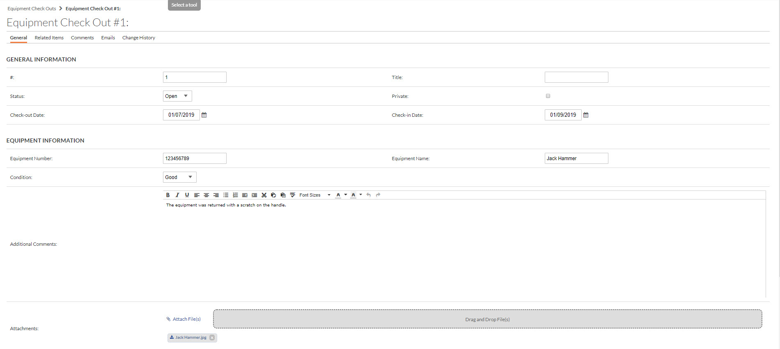
Custom Tool Name: | Equipment Checkout
Enable on Procore's mobile application? | Yes | Note: Custom Tools enabled on Mobile do not have Custom Workflow capabilities & only display limited fields on the Mobile App's List View
Do you need a single item PDF export option? (List view PDFs are automatic) | Yes | Note: Please attach an example of the PDF export you would like displayed along with this template when sending in your request, or a generic template will be used

Fields

Section Name | Field Category | Field Type | Field Name | Details | Display on Main Page/List View? | Notes
General Information | Standard | # | # |  | Yes
 | Standard | Title | Title |  | Yes
 | Standard | Status | Status |  | Yes
 | Standard | Private Checkbox | Private Checkbox |  | Yes
 | Custom | Date Selector | Check-out Date |  | Yes
 | Custom | Date Selector | Check-in Date |  | No
Equipment Information | Custom | Text Field (Small) | Equipment Number |  | Yes
 | Custom | Text Field (Small) | Equipment Name |  | No
 | Custom | Custom Selector | Condition | Excellent, Good, Fair, Bad | No
 | Custom | Text Area (Large) | Additional Comments |  | No
 | Standard | Attachments | Attachments |  | No

Example of what this tool would look like in Procore:

